Weather Condition
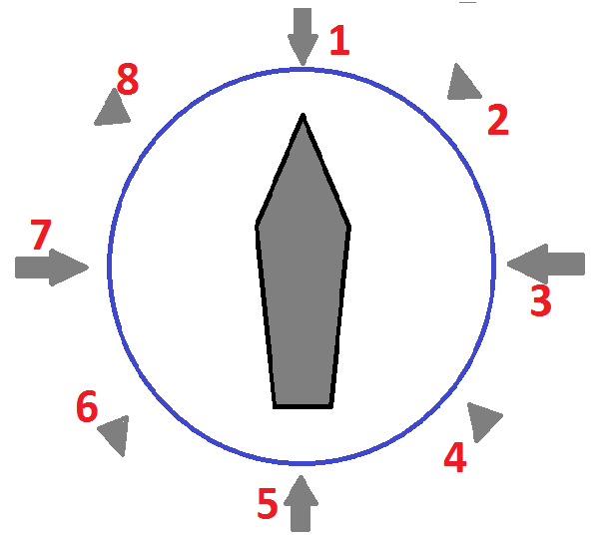
← Definition of Relative Direction (*) | WIND |  |  | CURRENT |  |  | WAVE caused by wind |  |  | SWELL |  |  | GWD
Date | Bft scale | Direction | Relative Dir (*) | Speed (kn) | Direction | Relative Dir (*) | Height (m) | Direction | Relative Dir (*) | Height (m) | Direction | Relative Dir (*) | Yes / No | Remarks
2015-07-03 |  |  |  |  |  |  |  |  |  |  |  |  |  | Departure Report
2015-07-04 | 4 | SSW | 4 | 0.7 | NE | 5 | 2 | SW | 4 | 0 | 0 | 0 |  | Swell Low
2015-07-05 | 4 | SSW | 4 | 1 | NE | 5 | 2 | SW | 4 | 0 | 0 | 0 |  | Swell Low

